Question
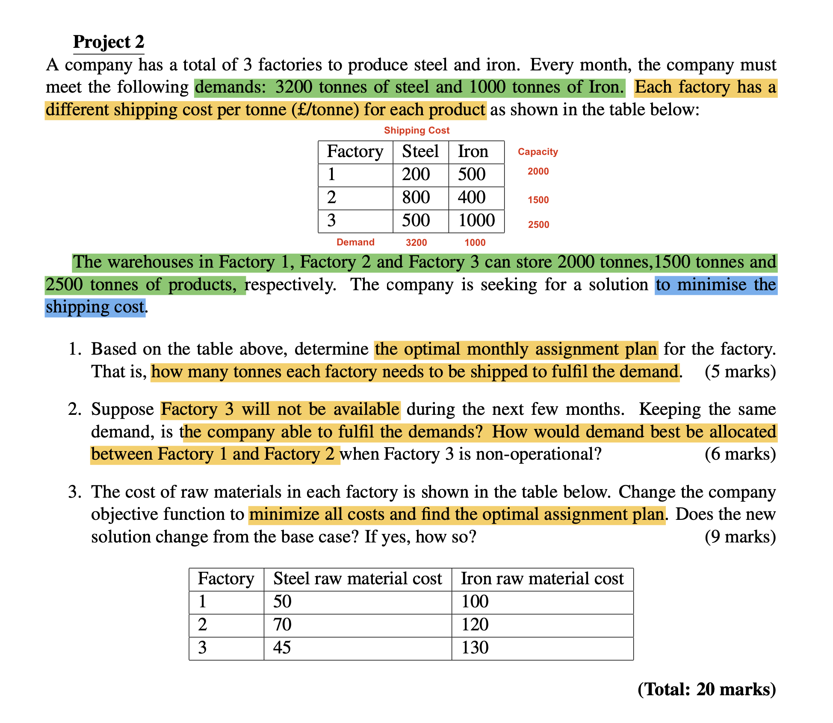

Q2.1 Solver
Transportation Model
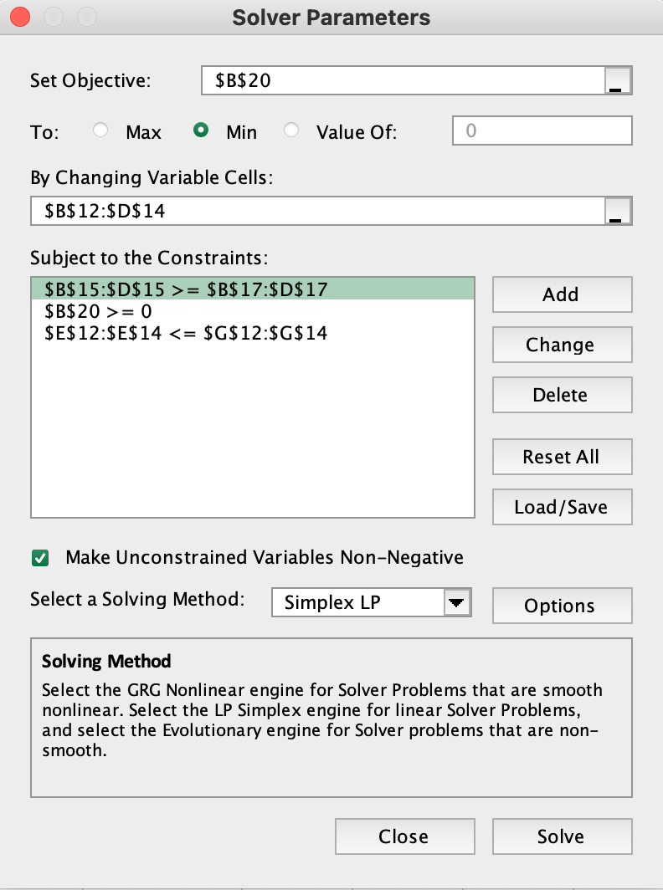
Unit shipping costs
From/Product | Steel | Iron | Dummy
Factory 1 | £200 | £500 | £0
Factory 2 | £800 | £400 | £0
Factory 3 | £500 | £1,000 | £0

Shipping plan, and constraints on supply and demand
Decision Variables
From/Product | Steel | Iron | Dummy | Total shipped |  | Capacity
Factory 1 | 2000 | 0 | 1800 | 2000 | <= | 2000
Factory 2 | 0 | 1000 | 0 | 1000 | <= | 1500
Factory 3 | 1200 | 0 | 0 | 1200 | <= | 2500
Total produced | 3200 | 1000 | 1800 | 4200
 | >= | >= | >=
Demand | 3200 | 1000 | 1800

Objective to minimize
Total shipping cost | £1,400,000

Q2.2 Solver
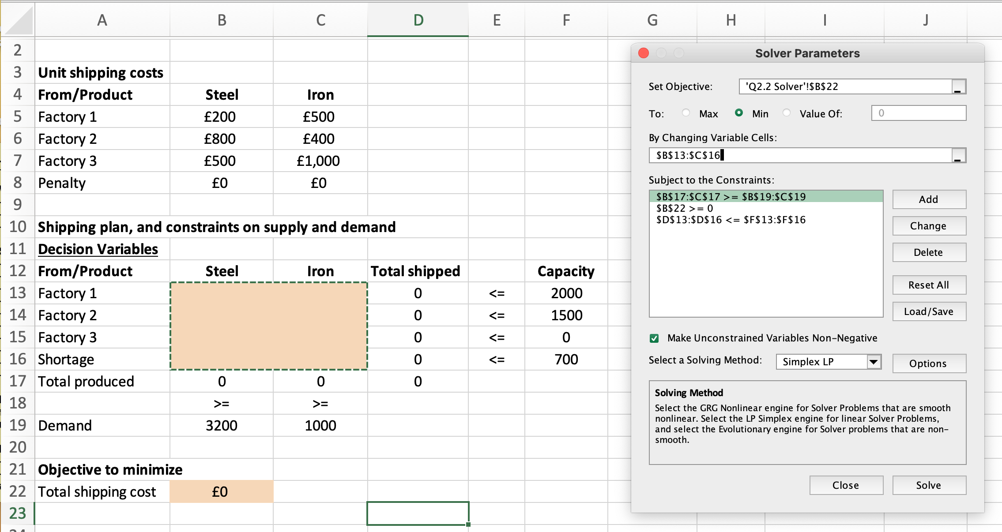
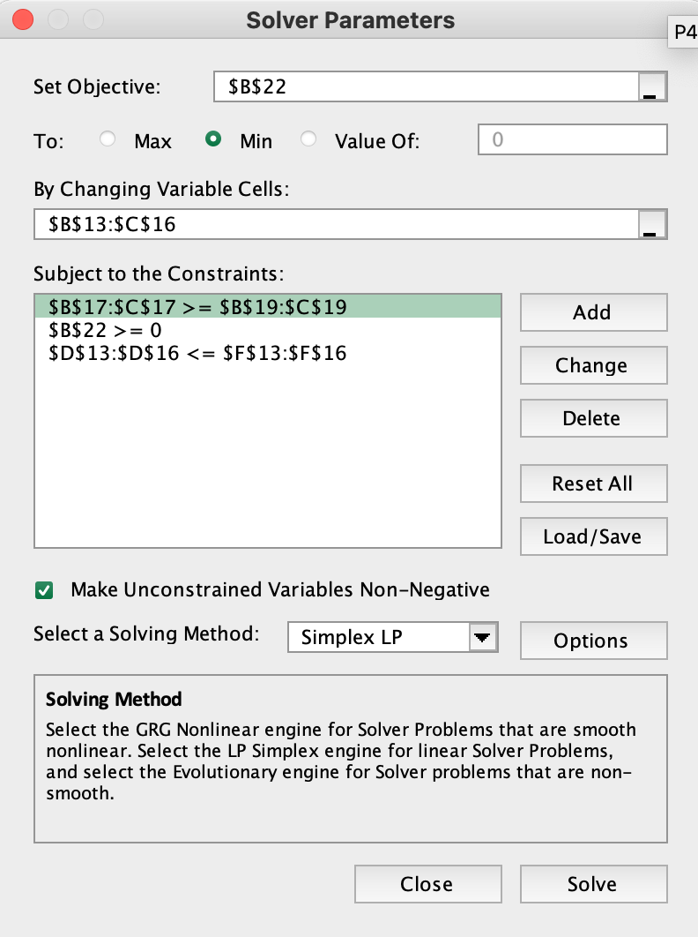
Transportation Model

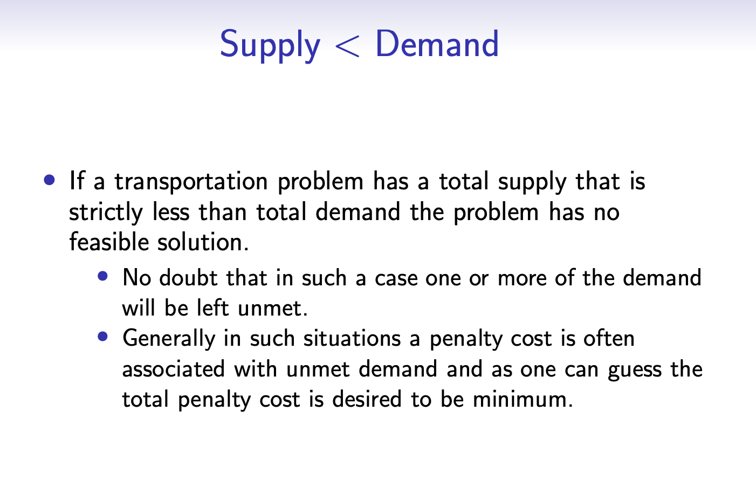
Unit shipping costs
From/Product | Steel | Iron
Factory 1 | £200 | £500
Factory 2 | £800 | £400
Factory 3 | £500 | £1,000
Penalty | £0 | £0

Shipping plan, and constraints on supply and demand
Decision Variables
From/Product | Steel | Iron | Total shipped |  | Capacity
Factory 1 | 2000 | 0 | 2000 | <= | 2000
Factory 2 | 500 | 1000 | 1500 | <= | 1500
Factory 3 | 0 | 0 | 0 | <= | 0
Shortage | 700 | 0 | 700 | <= | 700
Total produced | 3200 | 1000 | 3500
 | >= | >=
Demand | 3200 | 1000

Objective to minimize
Total shipping cost | £1,200,000

Q2.3 Solver
Transportation Model

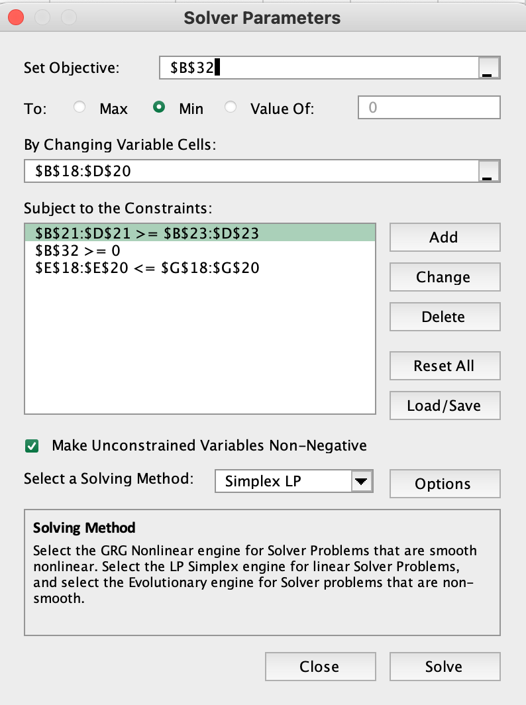
The shipping costs per unit
From/Product | Steel | Iron | Dummy
Factory 1 | £200 | £500 | £0
Factory 2 | £800 | £400 | £0
Factory 3 | £500 | £1,000 | £0

The cost of raw materials per units
From/Product | Steel | Iron | Dummy
Factory 1 | £50 | £100 | £0
Factory 2 | £70 | £120 | £0
Factory 3 | £45 | £130 | £0

Shipping plan, and constraints on supply and demand
Decision Variables
From/Product | Steel | Iron | Dummy | Total shipped |  | Capacity
Factory 1 | 2000 | 0 | 0 | 2000 | <= | 2000
Factory 2 | 0 | 1000 | 500 | 1500 | <= | 1500
Factory 3 | 1200 | 0 | 1300 | 2500 | <= | 2500
Total produced | 3200 | 1000 | 1800 | 6000
 | >= | >= | >=
Demand | 3200 | 1000 | 1800

Total cost (shipping and raw materials)
From/Product | Steel | Iron | Dummy
Factory 1 | £500,000 | £0 | £0
Factory 2 | £0 | £520,000 | £0
Factory 3 | £654,000 | £0 | £0

Objective to minimize
Total shipping cost | £1,674,000

